Dashboard
[Company Name] Threat Hunting Framework

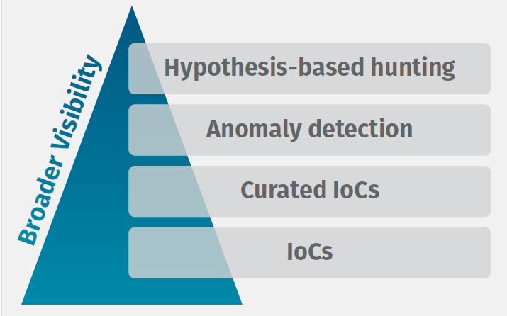
 | Threat Hunting Levels |  | Threat Hunting Maturity Model
 | Hypothesis-based hunting | 1
 | Anomaly detection | 0
 | Curated IOCs | 0
 | IOCs | 0

 | Environment
 | AWS

 | Telemetry (Log Sources)
 | FW | SIEM
 | EDR | IDS
 | Windows Event Logs
 | Visibility Gaps
 |  | open
 |  | open
 |  | open
 |  | open
 |  | open

 | Threat Hunter | Date
 |  | 2021-01-01

 | open | 0
 | close | 1

